Backlink Benchmarking
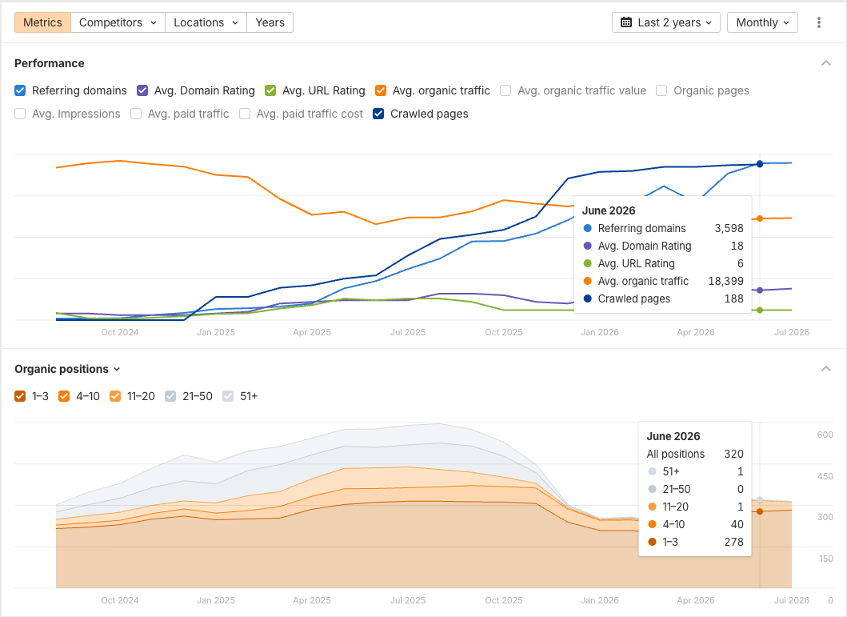
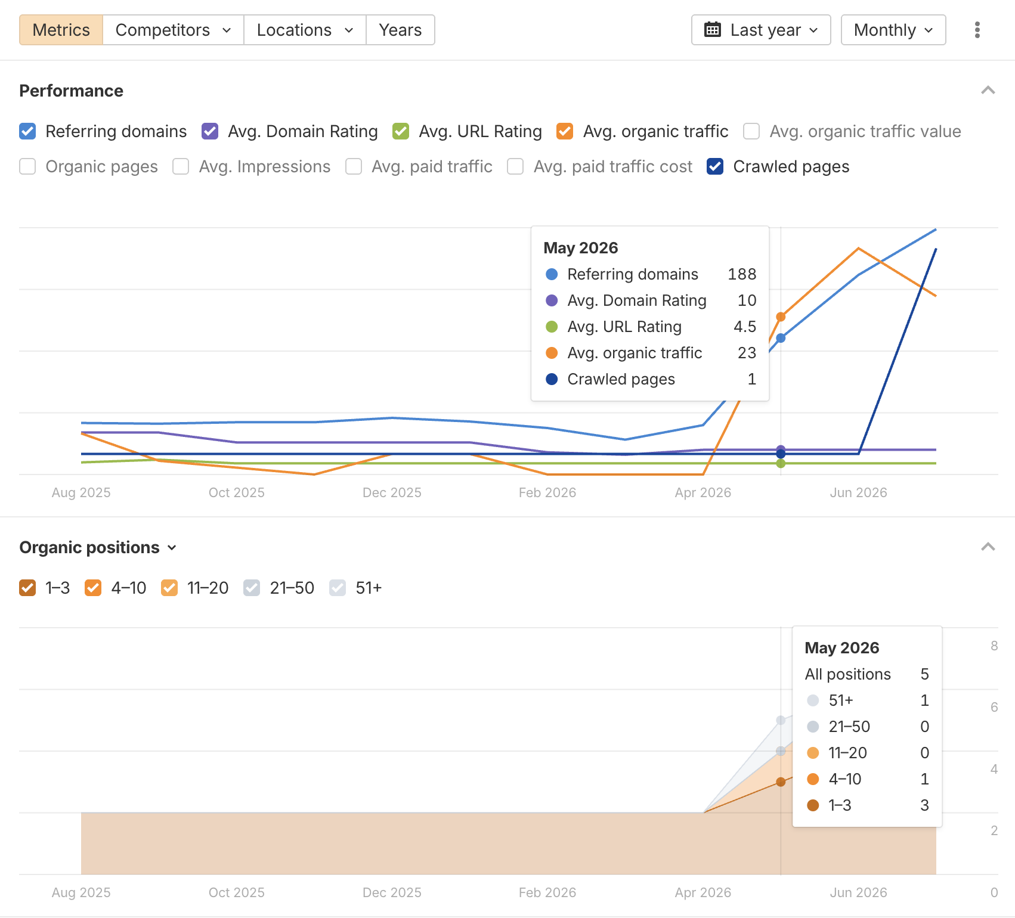
https://paradisegames.com/ | pggames.com

Performance Benchmarking
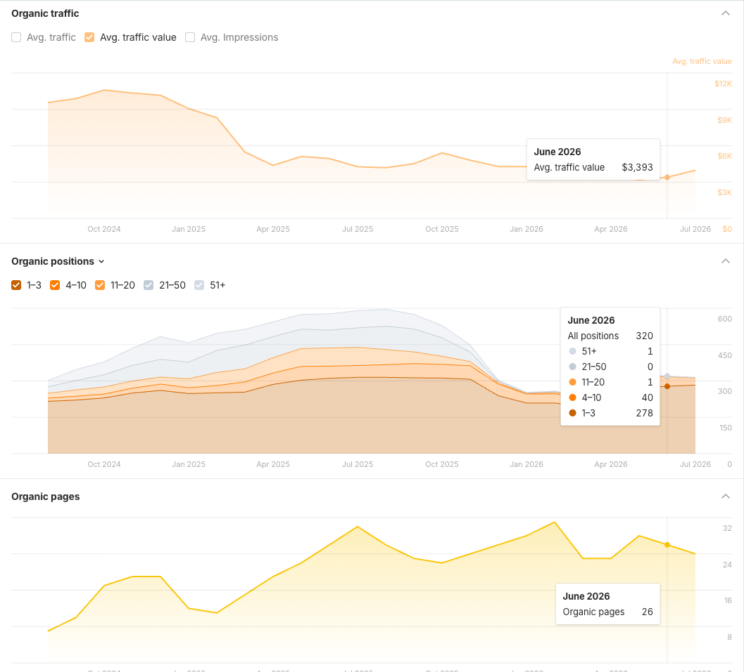
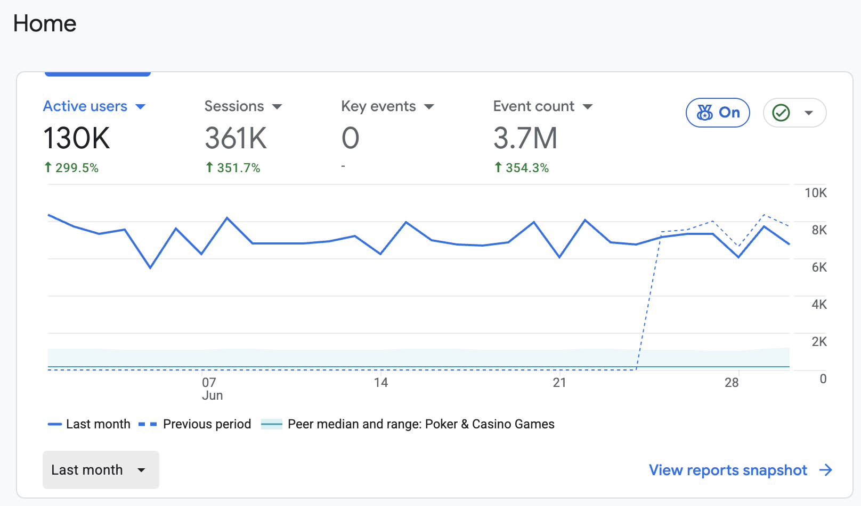
pggames.com
 |  |  |  |  |  |  | Ahrefs
 |  |  |  |  |  |  | Organic Traffic

# All Users
# Start date: 20260618
# End date: 20260715
Page title and screen class | Views | Active users | Views per active user | Average engagement time per active user | Event count | Key events | Total revenue
Home - Paradise Games | 370824 | 117501 | 3.1559220773 | 93.443298355 | 1390885 | 0 | 0
Welcome Back - Paradise Games | 181126 | 27730 | 6.5317706455 | 50.198449333 | 490825 | 0 | 0
Casino - Paradise Games | 156155 | 22314 | 6.9980729587 | 124.73787757 | 453717 | 0 | 0
Results - Paradise Games | 110235 | 16368 | 6.73478739 | 277.60037879 | 327646 | 0 | 0
Lottery - Paradise Games | 57425 | 10169 | 5.6470646081 | 41.110728685 | 157828 | 0 | 0
- Paradise Games | 51878 | 9817 | 5.2845064684 | 43.785270449 | 169806 | 0 | 0
2 3 4 & 5 Ball Lotto - Paradise Games | 41521 | 8435 | 4.9224659158 | 528.76561944 | 114859 | 0 | 0
Account - Paradise Games | 18856 | 4730 | 3.9864693446 | 63.411627907 | 48534 | 0 | 0
Page Not Found - Paradise Games | 12923 | 1030 | 12.546601942 | 92.444660194 | 47864 | 0 | 0
Cashier - Paradise Games | 11418 | 2867 | 3.9825601674 | 75.969305895 | 33562 | 0 | 0
Timed Out - Paradise Games | 10404 | 3506 | 2.9674843126 | 31.359669139 | 30349 | 0 | 0
SportsBook - Paradise Games | 10075 | 1971 | 5.1116184678 | 16.398782344 | 27764 | 0 | 0
Debit Card - Paradise Games | 3764 | 672 | 5.6011904762 | 171.6264881 | 10854 | 0 | 0
Paradise 3 4 - Paradise Games | 3060 | 1342 | 2.2801788376 | 139.99552906 | 8007 | 0 | 0
Promotions - Paradise Games | 1652 | 986 | 1.6754563895 | 41.290060852 | 4389 | 0 | 0
Contact Support - Paradise Games | 1633 | 969 | 1.6852425181 | 38.944272446 | 4125 | 0 | 0
Redeem Gift Card - Paradise Games | 1291 | 459 | 2.8126361656 | 104.15250545 | 3791 | 0 | 0
Careers - Paradise Games | 1179 | 750 | 1.572 | 33.578666667 | 2899 | 0 | 0
Paradise 5 - Paradise Games | 1108 | 494 | 2.2429149798 | 161.71659919 | 3111 | 0 | 0
Kanoo - Paradise Games | 710 | 217 | 3.2718894009 | 51.202764977 | 2097 | 0 | 0
Password Expired - Paradise Games | 553 | 247 | 2.2388663968 | 222.25506073 | 1787 | 0 | 0
Borlette Lotto - Paradise Games | 546 | 296 | 1.8445945946 | 122.56081081 | 1428 | 0 | 0
AboutUs - Paradise Games | 304 | 219 | 1.3881278539 | 37.515981735 | 861 | 0 | 0
TermsAndConditions - Paradise Games | 151 | 93 | 1.623655914 | 69.505376344 | 445 | 0 | 0
HowToPlay - Paradise Games | 117 | 85 | 1.3764705882 | 26.870588235 | 366 | 0 | 0
Cookies - Paradise Games | 79 | 63 | 1.253968254 | 9.6507936508 | 232 | 0 | 0
FAQ - Paradise Games | 75 | 61 | 1.2295081967 | 21.868852459 | 229 | 0 | 0
Privacy - Paradise Games | 66 | 55 | 1.2 | 22.654545455 | 188 | 0 | 0
ResponsibleGambling - Paradise Games | 65 | 50 | 1.3 | 18.44 | 162 | 0 | 0
Server Error - Paradise Games | 36 | 24 | 1.5 | 8.6666666667 | 125 | 0 | 0
Forgot Password - Paradise Games | 26 | 14 | 1.8571428571 | 43.642857143 | 104 | 0 | 0
Winning Numbers - Paradise Games | 25 | 5 | 5 | 33.8 | 62 | 0 | 0
Register - Paradise Games | 22 | 3 | 7.3333333333 | 253.33333333 | 54 | 0 | 0
Login - Paradise Games | 4 | 1 | 4 | 53 | 8 | 0 | 0
Anonymous View (Beta) - Startpage - Private Search Engine. No Tracking. No Search History. | 1 | 1 | 1 | 0 | 4 | 0 | 0
aboutus - Paradise Games | 1 | 1 | 1 | 0 | 1 | 0 | 0
careers - Paradise Games | 1 | 1 | 1 | 0 | 1 | 0 | 0
- Jeux du Paradis | 0 | 1 | 0 | 235 | 13 | 0 | 0
- เกมสวรรค์ | 0 | 1 | 0 | 7 | 1 | 0 | 0
Accueil - Jeux Paradise | 0 | 7 | 0 | 351 | 79 | 0 | 0
Accueil - Paradise Games | 0 | 1 | 0 | 33 | 1 | 0 | 0
Anasayfa - Paradise Games | 0 | 1 | 0 | 55 | 1 | 0 | 0
Assistance téléphonique - Paradise Games | 0 | 1 | 0 | 167 | 1 | 0 | 0
Beranda - Paradise Games | 0 | 2 | 0 | 9 | 2 | 0 | 0
Bienvenue à nouveau - Paradise Games | 0 | 3 | 0 | 30 | 5 | 0 | 0
Carrières - Jeux Paradis | 0 | 1 | 0 | 0 | 2 | 0 | 0
Casino - Jeux de Paradis | 0 | 3 | 0 | 245.33333333 | 20 | 0 | 0
Domov - Paradise Games | 0 | 1 | 0 | 2 | 1 | 0 | 0
Ergebnisse – Paradise Games | 0 | 1 | 0 | 30 | 1 | 0 | 0
Home - Giochi del Paradiso | 0 | 1 | 0 | 30 | 2 | 0 | 0
Inicio - Juegos del Paraíso | 0 | 6 | 0 | 28.5 | 11 | 0 | 0
Loterie - Jeux du Paradis | 0 | 1 | 0 | 266 | 30 | 0 | 0
Loto à 2, 3, 4 et 5 boules - Jeux du Paradis | 0 | 1 | 0 | 3816 | 31 | 0 | 0
Mot de passe expiré - Paradise Games | 0 | 1 | 0 | 871 | 14 | 0 | 0
Page introuvable - Paradise Games | 0 | 1 | 0 | 34 | 1 | 0 | 0
Paradise 3 4 - Jeux Paradise | 0 | 1 | 0 | 166 | 4 | 0 | 0
Paradise 5 - Jeux Paradise | 0 | 1 | 0 | 12 | 1 | 0 | 0
Paris sportifs - Jeux Paradise | 0 | 1 | 0 | 9 | 3 | 0 | 0
Promozioni - Paradise Games | 0 | 1 | 0 | 16 | 2 | 0 | 0
Página inicial - Paradise Games | 0 | 8 | 0 | 12.375 | 9 | 0 | 0
Résultats - Jeux du Paradis | 0 | 1 | 0 | 30 | 1 | 0 | 0
Résultats - Paradise Games | 0 | 3 | 0 | 228.33333333 | 13 | 0 | 0
Sportweddenschappen - Paradise Games | 0 | 1 | 0 | 1 | 1 | 0 | 0
Startpagina - Paradise Games | 0 | 1 | 0 | 22 | 2 | 0 | 0
Welkom terug - Paradise Games | 0 | 1 | 0 | 1 | 1 | 0 | 0
Головна - Paradise Games | 0 | 1 | 0 | 35 | 1 | 0 | 0
الرئيسية - ألعاب بارادايس | 0 | 2 | 0 | 12.5 | 2 | 0 | 0
गोपनीयता - पैराडाइज़ गेम्स | 0 | 1 | 0 | 98 | 2 | 0 | 0
होम - पैराडाइज़ गेम्स | 0 | 1 | 0 | 126 | 2 | 0 | 0
হোম - প্যারাডাইস গেমস | 0 | 3 | 0 | 39.666666667 | 4 | 0 | 0
คุกกี้ - พาราไดซ์เกมส์ | 0 | 1 | 0 | 11 | 1 | 0 | 0
หน้าหลัก - พาราไดซ์ เกมส์ | 0 | 52 | 0 | 31.538461538 | 72 | 0 | 0
โปรโมชั่น - พาราไดซ์ เกมส์ | 0 | 1 | 0 | 17 | 1 | 0 | 0
ໜ້າຫຼັກ - ເກມ Paradise | 0 | 1 | 0 | 18 | 1 | 0 | 0
မူလစာမျက်နှာ - Paradise Games | 0 | 1 | 0 | 79 | 2 | 0 | 0
首页 - Paradise Games | 0 | 5 | 0 | 13.8 | 6 | 0 | 0

Migration Redirect
